Centrifugal Pumps
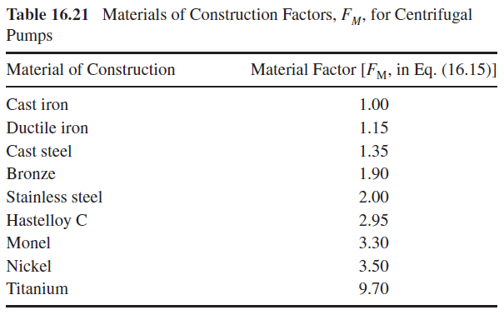
Centrifugal Pumps |  |  |  |  |  |  |  | Summary page
FBM = | 3.3 |  | CE = | 800

Name | Q | H | S | CB | FT | FM | CP | CP | CBM | Check
 | (gal/min) | (ft) | (gpm)(ft)^.5 | $ (CE=567) | Table 16.20 | Table 16.21 | $ (CE=567) | $ (Given CE) | $ (Given CE)
 |  |  | 0 | 0 |  |  | 0 | 0 | 0 | 0

 |  |  | 0 | 0 |  |  | 0 | 0 | 0 | 0

 |  |  | 0 | 0 |  |  | 0 | 0 | 0 | 0

 |  |  | 0 | 0 |  |  | 0 | 0 | 0 | 0

 |  |  | 0 | 0 |  |  | 0 | 0 | 0 | 0

Pressure Vessels
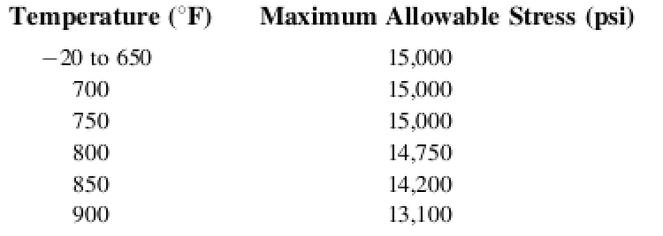
Pressure Vessels |  |  |  |  |  |  |  | Summary page
FBM = | 4.16 |  | CE = | 800

Name | Type | Di | L | Pressure | Pd | E | S | tp | Wind/Earthquake? | tw | taverage | Corrosion tc | ts | tsrounded | tsrounded | Metal ρ | Weight | Cv | Cpl | Fm | Cp | CP | Cbm | Check
 |  | ft | ft | psig | psig | Weld Efficiency | psi (see below) | ft | Include=Y | ft | ft | inch | inch | inch | ft | lb/ft^3 | lb | $ (CE=567) | $ (CE=567) | Table 16.26 | $(CE=567) | $ (Given CE) | $ (Given CE)
SEPARATOR1 | Horizontal | 12 | 6 | 53.62 | 72 | 1 | 13750 | 0.03159 | N | 0.00000 | 0.03159 | 0.125 | 0.50407 | 0.62500 | 0.0521 | 490 | 15074 | 40009 | 3828 | 1 | 43837 | 61851 | 257302 | 0

SEPARATOR2 | Horizontal | 12 | 6 | 225.59 | 275 | 1 | 13750 | 0.12141 | N | 0.00000 | 0.12141 | 0.125 | 1.58195 | 1.62500 | 0.1354 | 490 | 39464 | 69748 | 3828 | 1 | 73576 | 103810 | 431851 | 0

SEPARATOR3 | Horizontal | 12 | 6 | 985.95 | 1092 | 1 | 13750 | 0.50050 | N | 0.00000 | 0.50050 | 0.125 | 6.13102 | 6.25000 | 0.5208 | 490 | 156604 | 157533 | 3828 | 1 | 161361 | 227670 | 947106 | 0

STORAGE TANK | Horizontal | 9.8333 | 44.3333 | 217.557 | 266 | 1 | 13750 | 0.09614 | N | 0.00000 | 0.09614 | 0.125 | 1.27871 | 1.37500 | 0.1146 | 490 | 91594 | 114430 | 3672 | 1 | 118102 | 166634 | 693196 | 0

SV VESSEL | Vertical | 12.59843 | 50 | 217.557 | 266 | 1 | 13750 | 0.12318 | N | 0.00000 | 0.12318 | 0.125 | 1.60313 | 1.62500 | 0.1354 | 490 | 159477 | 303264 | 42382 | 1.7 | 557932 | 787205 | 3274774 | 0
 |  |  |  | Note: see text for vacuum vessels
 |  |  |  |  |  |  | Note: if carbon steel, S = 13750
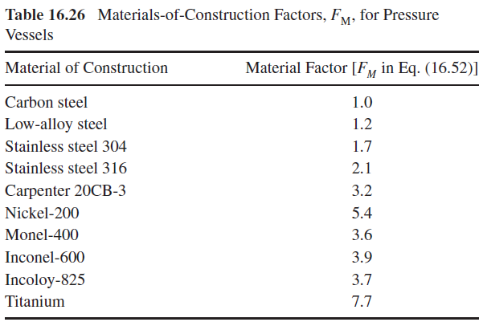
 |  |  |  |  |  |  | For 304 Stainless, S = 11200
 |  |  |  |  |  |  | Potential Values for S (low alloy steel):

Shell and Tube Heat Exchangers
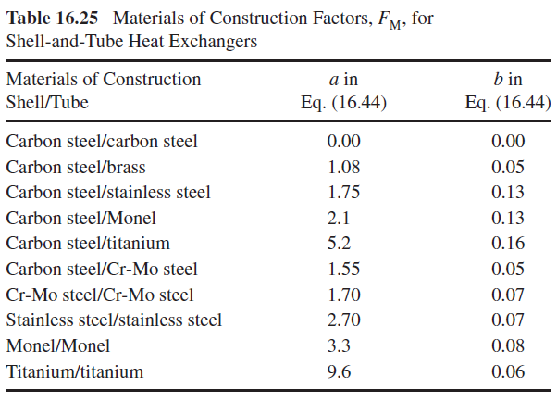
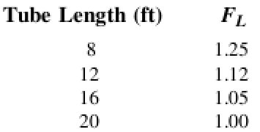
Shell and Tube Heat Exchangers |  |  |  |  |  |  |  | Summary page
FBM = | 3.17 |  | CE = | 800

Name | Heat Exchanger Design | Surface Area | CB | a | b | FM | Pressure | Fp | FL | Cp | Cp | CBM | Check
 |  | ft^2 | $ (CE=567) | Table 16.25 | Table 16.25 |  | psig |  | See below | $ (CE=567) | $(Given CE) | $ (Given CE)
Stage 1 | Fixed Head | 9211.86 | 73985 | 0 | 0 | 1 | 53.52 | 1 | 1.12 | 82864 | 116915 | 370621 | 0

Stage 2 | Fixed Head | 6784.52 | 57095 | 0 | 0 | 1 | 225.53 | 1.0295422428 | 1.12 | 65836 | 92890 | 294460 | 0

Stage 3 | Fixed Head | 6557.61 | 55536 | 0 | 0 | 1 | 985.24 | 1.3226618358 | 1.12 | 82270 | 116078 | 367967 | 0

Chiller | Fixed Head | 6063.99 | 52155 | 0 | 0 | 1 | 985.24 | 1.3226618358 | 1.12 | 77261 | 109010 | 345562 | 0

Heat Ex | Fixed Head | 2913.037 | 30702 | 1.08 | 0.05 | 2.2636336409 | 217.557 | 1.0275065382 | 1.12 | 79980 | 112847 | 357723 | 0

